K_density
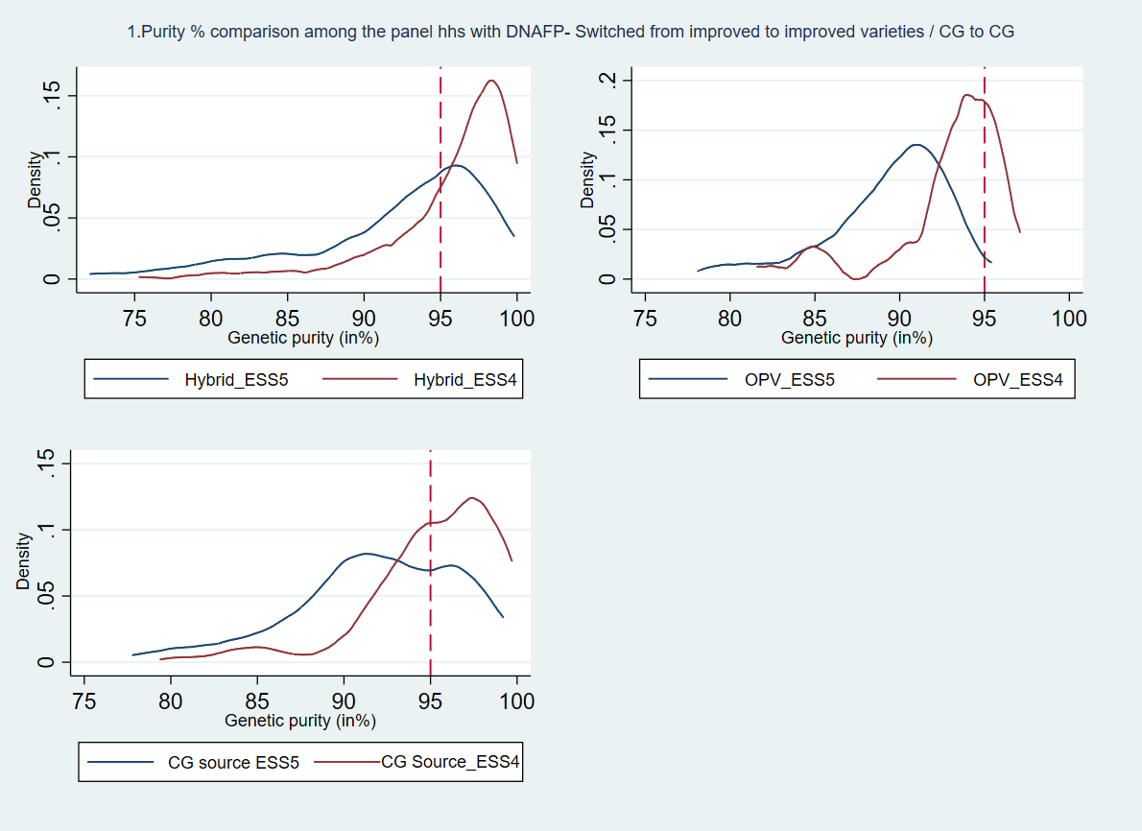
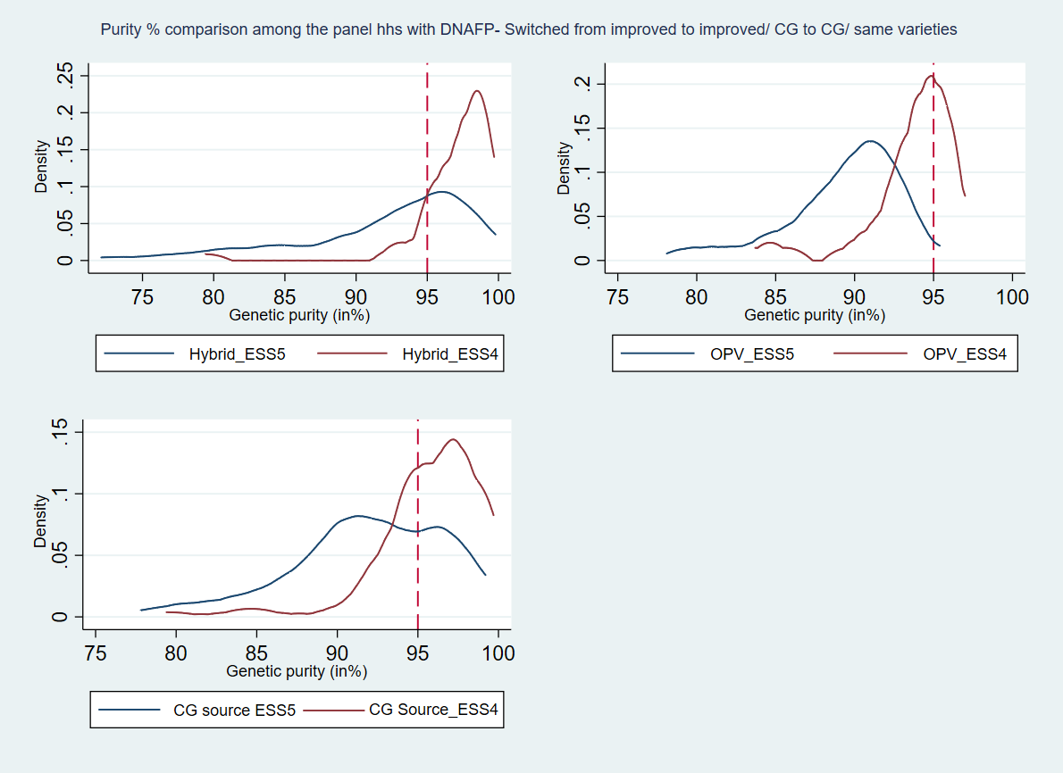

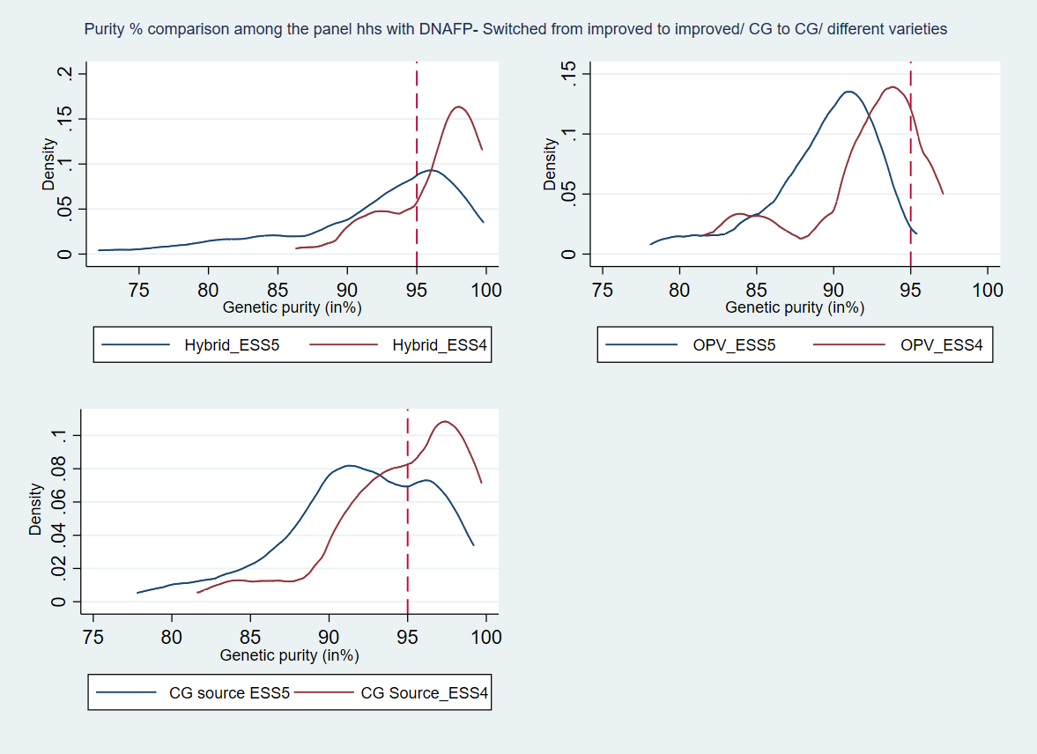

Note: •Purity status of the whole samples (#488 from 444 households): o All field samples are above the 70% purity threshold with 60% of samples having purity above 90% and 25% above the 95% threshold o CGIAR-related germplasm accounted for 91% purity o DTMAZ – CGIAR variety around 93% purity • Purity status of the panel households with DNA FP sample (#292 from 230 households): o All Panel samples are above the 70% purity threshold with 66% of samples having purity above 90% and around 28% above the 95% threshold o CGIAR-related germplasm has around 92 % purity o DTMAZ – CGIAR variety around 94 % purity As you can see from the above figures, we compute a density plot of maize purity level between the two waves and It looks like seed quality has deteriorated overall, but we confirm when we have the pp data available.

